Table 20
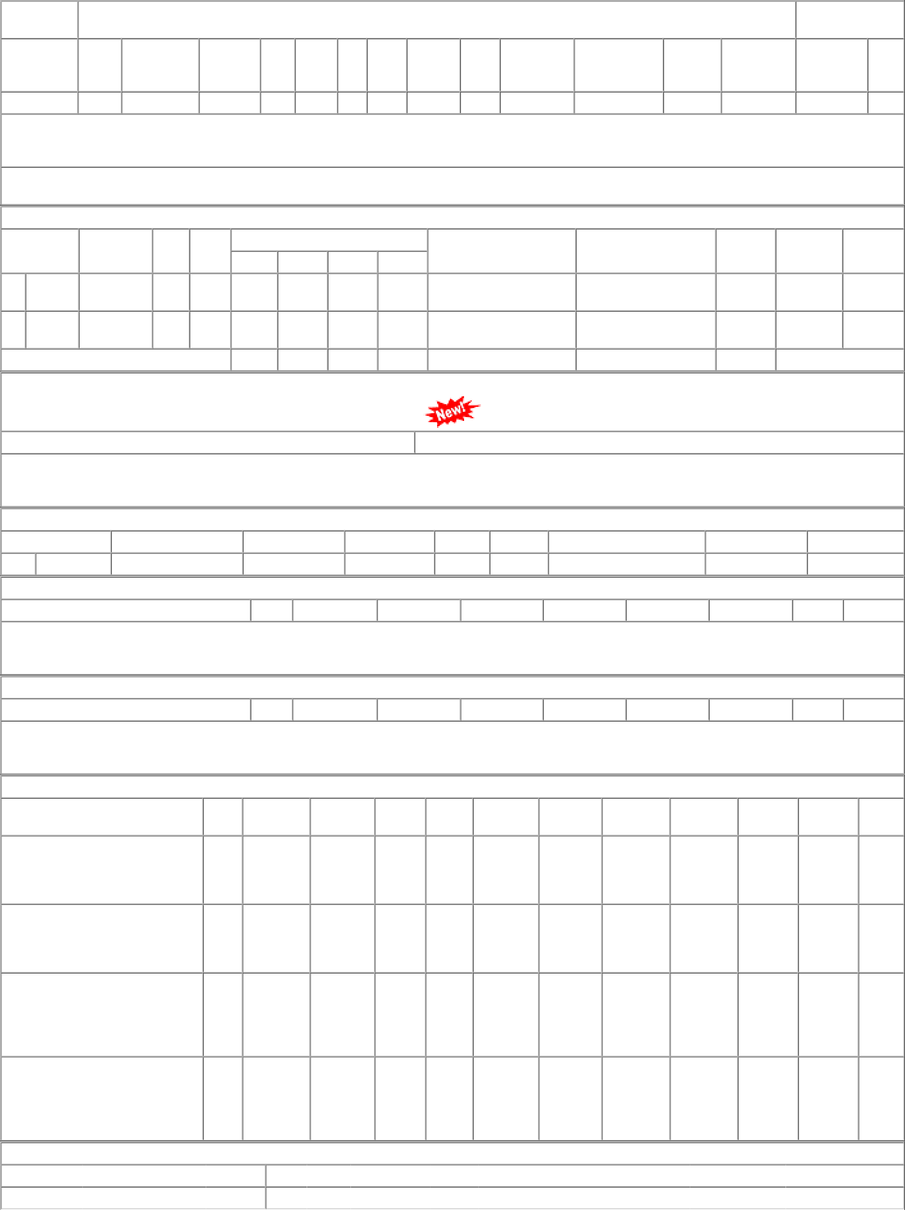
RAILWAY | DEPOT | WARD CAT | AAC | STOCK | UNIT | CONS 21-22 | CONS 22-23 | LI-DATE | CONTACT
SR | CSD/PER | 09 10 | 660 | 1232.000 | HDS | 292 | 448 | 2022-11-23 | 044-26446324

